Error
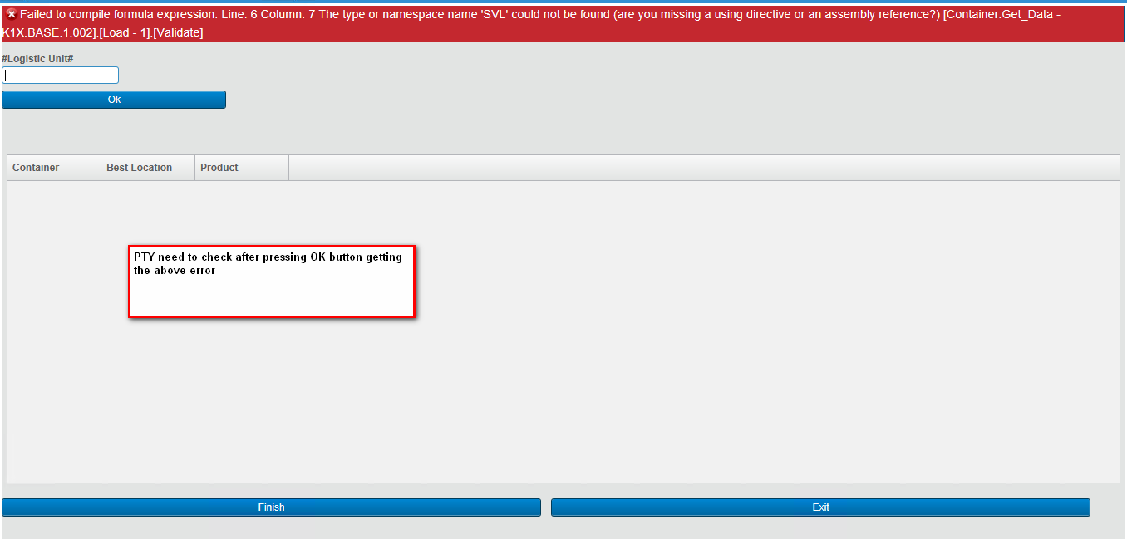
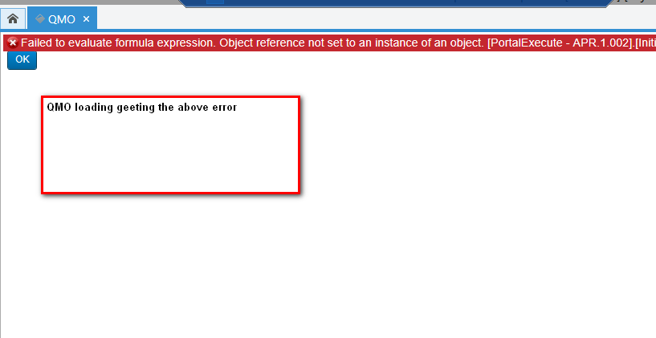

 | 23102018_PTY_ContainerGetData -> need to deploy this package
 | Make revision and rebuild
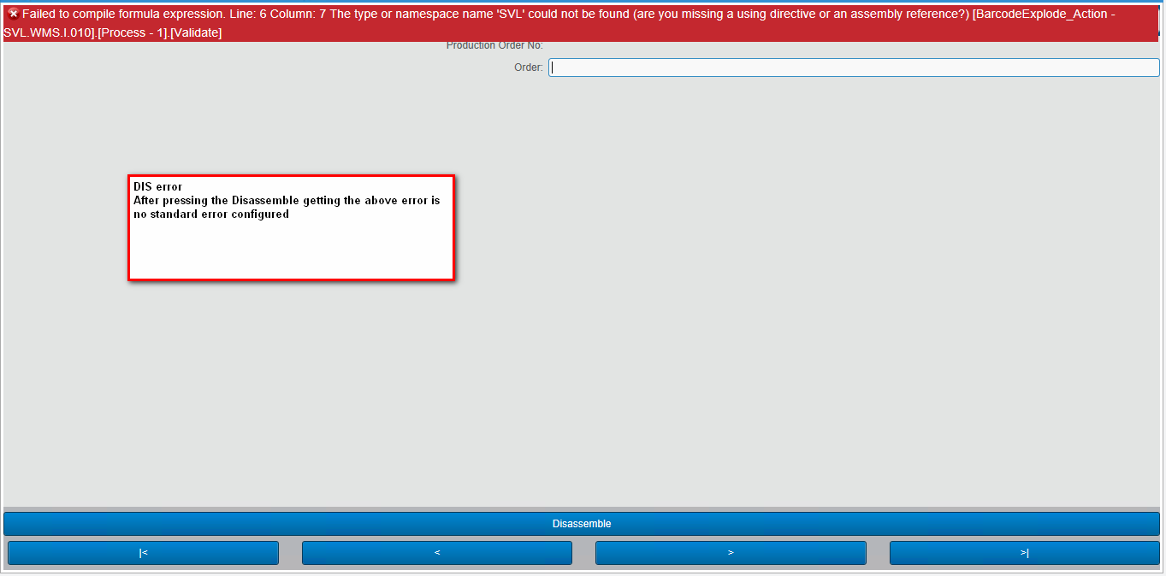
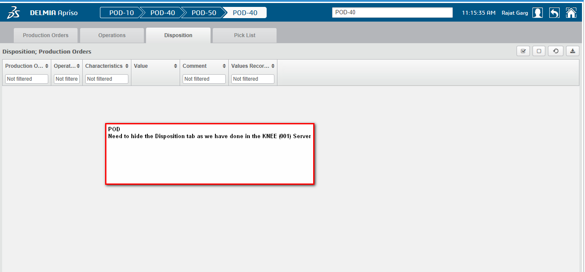

10232018_BarcodeExplode_Action -> need to deployee make revision and rebuild |  | Facility Characteristics -> SupportQualityFlow -> True

 | deploy kone css and script and change in central configuration theme -> Kone

